4. Accounting Refund Entries
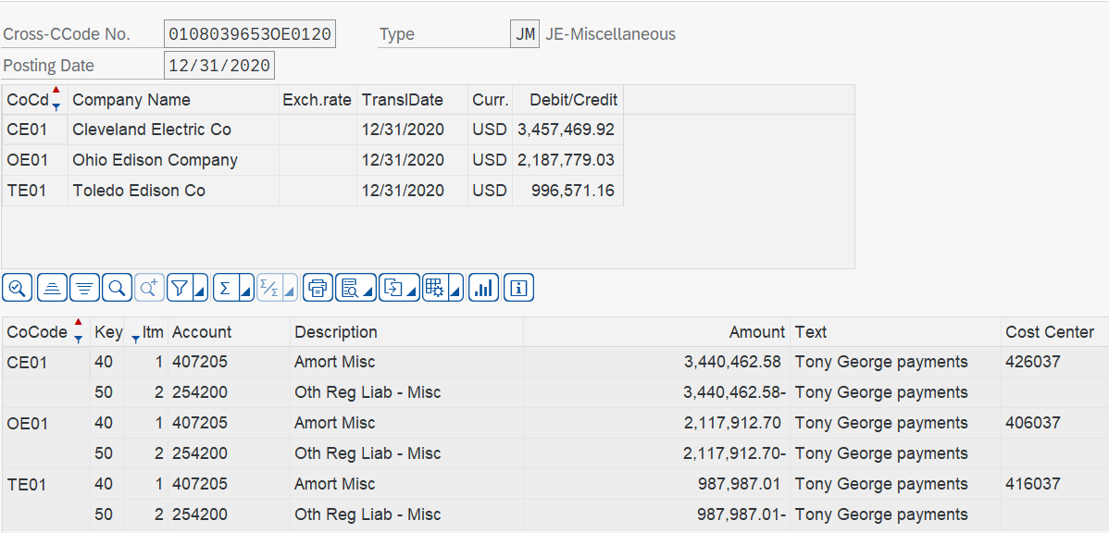

To record a regulatory liability at the Ohio Companies for amounts recovered from customers.

